Demand-to-prod-facilities
Inputs - Costs, Capacities, Demands (HighOptic & TelecomOne >> merged as TelecomOptic)
 | Demand City Production and Transportation Cost per 1000 Units |  |  |  |  |  | Fixed | Capacity
Supply City | Atlanta | Boston | Chicago | Denver | Omaha | Portland | Cost ($)
Baltimore | 1,675 | 400 | 685 | 1,630 | 1,160 | 2,800 | 7,650 | 18
Cheyenne | 1,460 | 1,940 | 970 | 100 | 495 | 1,200 | 3,500 | 24
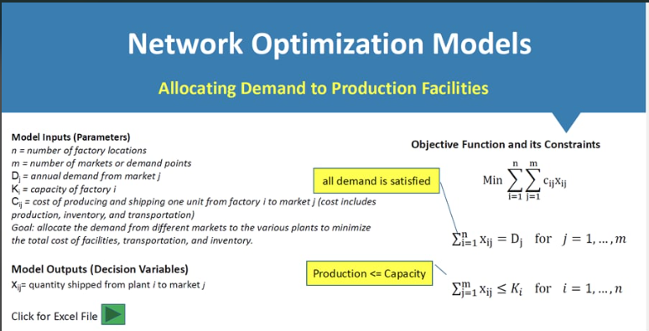
Salt Lake | 1,925 | 2,400 | 1,425 | 500 | 950 | 800 | 5,000 | 27
Memphis | 380 | 1,355 | 543 | 1,045 | 665 | 2,321 | 4,100 | 22
Wichita | 922 | 1,646 | 700 | 508 | 311 | 1,797 | 2,200 | 31
Demand | 10 | 8 | 14 | 6 | 7 | 11

Decision Variables
 | Demand City - Production Allocation (1000 Units) |  |  |  |  |  | Plants
Supply City | Atlanta | Boston | Chicago | Denver | Omaha | Portland | (1=open)
Baltimore | 0 | 8 | 2 | 0 | 0 | 0 | 1 |  | i=1 | X Variables
Cheyenne | 0 | 0 | 0 | 6 | 0 | 0 | 1 |  | i=2
Salt Lake | 0 | 0 | 0 | 0 | 0 | 11 | 1 |  | i=3
Memphis | 10 | 0 | 12 | 0 | 0 | 0 | 1 |  | i=4
Wichita | 0 | 0 | 0 | 0 | 7 | 0 | 1 |  | i=5
 | j=1 | j=2 | j=3 | j=4 | j=5 | j=6
Resulting Production Allocation
 | Demand City - Production Allocation (1000 Units)
Supply City | Atlanta | Boston | Chicago | Denver | Omaha | Portland
Baltimore | 0 | 64 | 28 | 0 | 0 | 0
Cheyenne | 0 | 0 | 0 | 36 | 0 | 0
Salt Lake | 0 | 0 | 0 | 0 | 0 | 121
Memphis | 100 | 0 | 168 | 0 | 0 | 0
Wichita | 0 | 0 | 0 | 0 | 49 | 0

Constraints |  |  |  |  |  |  |  |  |  |  | 0 | 8 | 2 | 0 | 0 | 0 | 1
Supply City | Excess Capacity |  |  |  |  |  |  |  |  |  | 0 | 0 | 0 | 6 | 0 | 0 | 1
Baltimore | 8 |  |  |  |  |  |  |  |  |  | 0 | 0 | 0 | 0 | 0 | 11 | 1
Cheyenne | 18 |  |  |  |  |  |  |  |  |  | 10 | 0 | 12 | 0 | 0 | 0 | 1
Salt Lake | 16 |  |  |  |  |  |  |  |  |  | 0 | 0 | 0 | 0 | 7 | 0 | 1
Memphis | 0
Wichita | 24
 | 0
 | Atlanta | Boston | Chicago | Denver | Omaha | Portland
Unmet Demand | 0 | 0 | 0 | 0 | 0 | 0

Objective Function
Cost = | $26,463

